Result
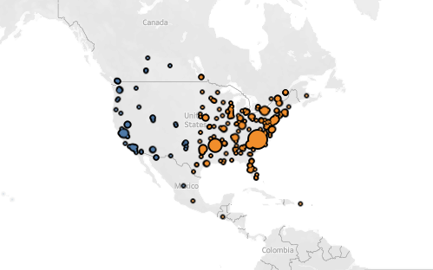
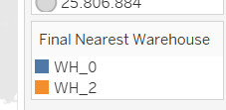
Row Labels | Average of Min_Distance | Count of Final Nearest Warehouse | Min of Min_Distance | Max of Min_Distance | Sum of Total_Demand
WH_0 | 1315.0666494 | 146 | 155.99480452 | 13648.732401 | 29845542.101
WH_2 | 945.13565252 | 391 | 107.02715235 | 14633.210663 | 115359602.34
Grand Total | 1045.712795 | 537 | 107.02715235 | 14633.210663 | 145205144.44

Warehouse Number | Average of Min_Distance | Count of Final Nearest Warehouse | Min of Min_Distance | Max of Min_Distance | Sum of Total_Demand | 50% Business | 80% Business | % Contribution
WH_0 | 1315.0666494 | 146 | 155.99480452 | 13648.732401 | 29845542.101 | 582KM | 1130KM | 21%
WH_2 | 945.13565252 | 391 | 107.02715235 | 14633.210663 | 115359602.34 | 735KM | 1093KM | 79%
Grand Total | 1045.712795 | 537 | 107.02715235 | 14633.210663 | 145205144.44

